genres
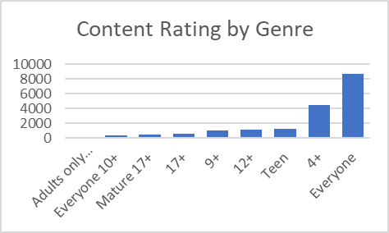
Platform | Content Rating | Genre count
app_store | Adults only 18+ | 3
app_store | Everyone 10+ | 414
app_store | Mature 17+ | 499
play_store | 17+ | 622
play_store | 9+ | 987
play_store | 12+ | 1155
app_store | Teen | 1208
play_store | 4+ | 4433
app_store | Everyone | 8714

Sheet1
app_store | Entertainment | 12+
app_store | Travel | 12+ |  | content_rating | genre count
app_store | Book | 12+ |  | Adults only 18+ | 2
app_store | Medical | 12+ |  | 9+ | 17
app_store | Photo & Video | 12+ |  | 12+ | 22
app_store | Reference | 12+ |  | 17+ | 23
app_store | Food & Drink | 12+ |  | 4+ | 23
app_store | Weather | 12+ |  | Everyone 10+ | 23
app_store | Lifestyle | 12+ |  | Mature 17+ | 26
app_store | Games | 12+ |  | Teen | 32
app_store | Shopping | 12+ |  | Everyone | 33
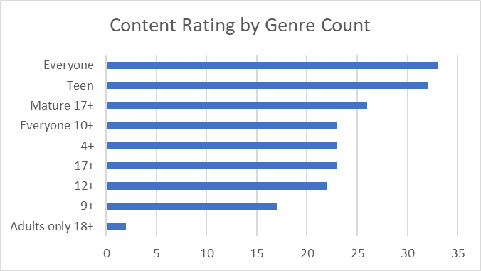
app_store | Education | 12+
app_store | Finance | 12+
app_store | Navigation | 12+
app_store | Health & Fitness | 12+
app_store | Business | 12+
app_store | Music | 12+
Content Rating by Genre Count
app_store | Utilities | 12+
app_store | Productivity | 12+
app_store | News | 12+
app_store | Sports | 12+
app_store | Social Networking | 12+
app_store | Catalogs | 12+ | 22
app_store | Medical | 17+
app_store | Sports | 17+
app_store | Games | 17+
app_store | Business | 17+
app_store | Book | 17+
app_store | Music | 17+
app_store | Reference | 17+
app_store | Utilities | 17+
app_store | Travel | 17+
app_store | Health & Fitness | 17+
app_store | Education | 17+
app_store | Weather | 17+
app_store | Food & Drink | 17+
app_store | Shopping | 17+
app_store | Lifestyle | 17+
app_store | Finance | 17+
app_store | News | 17+
app_store | Photo & Video | 17+
app_store | Catalogs | 17+
app_store | Navigation | 17+
app_store | Social Networking | 17+
app_store | Productivity | 17+
app_store | Entertainment | 17+ | 23
app_store | Sports | 4+
app_store | Entertainment | 4+
app_store | Book | 4+
app_store | Utilities | 4+
app_store | Music | 4+
app_store | Business | 4+
app_store | Photo & Video | 4+
app_store | Weather | 4+
app_store | Shopping | 4+
app_store | Health & Fitness | 4+
app_store | Catalogs | 4+
app_store | News | 4+
app_store | Travel | 4+
app_store | Food & Drink | 4+
app_store | Education | 4+
app_store | Finance | 4+
app_store | Productivity | 4+
app_store | Navigation | 4+
app_store | Social Networking | 4+
app_store | Medical | 4+
app_store | Lifestyle | 4+
app_store | Games | 4+
app_store | Reference | 4+ | 23
app_store | Shopping | 9+
app_store | Book | 9+
app_store | Social Networking | 9+
app_store | Utilities | 9+
app_store | Games | 9+
app_store | Sports | 9+
app_store | Lifestyle | 9+
app_store | Travel | 9+
app_store | News | 9+
app_store | Photo & Video | 9+
app_store | Reference | 9+
app_store | Health & Fitness | 9+
app_store | Productivity | 9+
app_store | Music | 9+
app_store | Entertainment | 9+
app_store | Catalogs | 9+
app_store | Education | 9+ | 17
play_store | SPORTS | Adults only 18+
play_store | COMICS | Adults only 18+ | 2
play_store | MAPS_AND_NAVIGATION | Everyone
play_store | DATING | Everyone
play_store | PRODUCTIVITY | Everyone
play_store | HOUSE_AND_HOME | Everyone
play_store | ENTERTAINMENT | Everyone
play_store | TRAVEL_AND_LOCAL | Everyone
play_store | EVENTS | Everyone
play_store | PARENTING | Everyone
play_store | FAMILY | Everyone
play_store | VIDEO_PLAYERS | Everyone
play_store | PERSONALIZATION | Everyone
play_store | FINANCE | Everyone
play_store | ART_AND_DESIGN | Everyone
play_store | COMICS | Everyone
play_store | BEAUTY | Everyone
play_store | TOOLS | Everyone
play_store | SOCIAL | Everyone
play_store | PHOTOGRAPHY | Everyone
play_store | WEATHER | Everyone
play_store | LIBRARIES_AND_DEMO | Everyone
play_store | BOOKS_AND_REFERENCE | Everyone
play_store | SPORTS | Everyone
play_store | SHOPPING | Everyone
play_store | AUTO_AND_VEHICLES | Everyone
play_store | COMMUNICATION | Everyone
play_store | FOOD_AND_DRINK | Everyone
play_store | NEWS_AND_MAGAZINES | Everyone
play_store | EDUCATION | Everyone
play_store | BUSINESS | Everyone
play_store | GAME | Everyone
play_store | MEDICAL | Everyone
play_store | HEALTH_AND_FITNESS | Everyone
play_store | LIFESTYLE | Everyone | 33
play_store | PRODUCTIVITY | Everyone 10+
play_store | VIDEO_PLAYERS | Everyone 10+
play_store | HEALTH_AND_FITNESS | Everyone 10+
play_store | AUTO_AND_VEHICLES | Everyone 10+
play_store | GAME | Everyone 10+
play_store | PERSONALIZATION | Everyone 10+
play_store | MAPS_AND_NAVIGATION | Everyone 10+
play_store | BUSINESS | Everyone 10+
play_store | SOCIAL | Everyone 10+
play_store | FOOD_AND_DRINK | Everyone 10+
play_store | BEAUTY | Everyone 10+
play_store | MEDICAL | Everyone 10+
play_store | SPORTS | Everyone 10+
play_store | EVENTS | Everyone 10+
play_store | LIFESTYLE | Everyone 10+
play_store | ART_AND_DESIGN | Everyone 10+
play_store | NEWS_AND_MAGAZINES | Everyone 10+
play_store | ENTERTAINMENT | Everyone 10+
play_store | COMICS | Everyone 10+
play_store | BOOKS_AND_REFERENCE | Everyone 10+
play_store | WEATHER | Everyone 10+
play_store | FAMILY | Everyone 10+
play_store | EDUCATION | Everyone 10+ | 23
play_store | MEDICAL | Mature 17+
play_store | PRODUCTIVITY | Mature 17+
play_store | DATING | Mature 17+
play_store | BEAUTY | Mature 17+
play_store | SOCIAL | Mature 17+
play_store | ENTERTAINMENT | Mature 17+
play_store | LIFESTYLE | Mature 17+
play_store | TOOLS | Mature 17+
play_store | VIDEO_PLAYERS | Mature 17+
play_store | PARENTING | Mature 17+
play_store | TRAVEL_AND_LOCAL | Mature 17+
play_store | SPORTS | Mature 17+
play_store | HEALTH_AND_FITNESS | Mature 17+
play_store | COMICS | Mature 17+
play_store | WEATHER | Mature 17+
play_store | COMMUNICATION | Mature 17+
play_store | GAME | Mature 17+
play_store | EDUCATION | Mature 17+
play_store | NEWS_AND_MAGAZINES | Mature 17+
play_store | PERSONALIZATION | Mature 17+
play_store | FAMILY | Mature 17+
play_store | PHOTOGRAPHY | Mature 17+
play_store | BUSINESS | Mature 17+
play_store | MAPS_AND_NAVIGATION | Mature 17+
play_store | BOOKS_AND_REFERENCE | Mature 17+
play_store | SHOPPING | Mature 17+ | 26
play_store | FAMILY | Teen
play_store | DATING | Teen
play_store | SPORTS | Teen
play_store | GAME | Teen
play_store | FOOD_AND_DRINK | Teen
play_store | WEATHER | Teen
play_store | ART_AND_DESIGN | Teen
play_store | FINANCE | Teen
play_store | ENTERTAINMENT | Teen
play_store | HOUSE_AND_HOME | Teen
play_store | PERSONALIZATION | Teen
play_store | COMMUNICATION | Teen
play_store | VIDEO_PLAYERS | Teen
play_store | MEDICAL | Teen
play_store | AUTO_AND_VEHICLES | Teen
play_store | BEAUTY | Teen
play_store | BUSINESS | Teen
play_store | BOOKS_AND_REFERENCE | Teen
play_store | COMICS | Teen
play_store | EVENTS | Teen
play_store | HEALTH_AND_FITNESS | Teen
play_store | PHOTOGRAPHY | Teen
play_store | MAPS_AND_NAVIGATION | Teen
play_store | SOCIAL | Teen
play_store | PRODUCTIVITY | Teen
play_store | SHOPPING | Teen
play_store | EDUCATION | Teen
play_store | TOOLS | Teen
play_store | TRAVEL_AND_LOCAL | Teen
play_store | LIFESTYLE | Teen
play_store | NEWS_AND_MAGAZINES | Teen
play_store | PARENTING | Teen | 32

APP store
platform | content_rating | avg_rating | avg_price | count
app_store | 9+ | 3.77 | $2.15 | 987
app_store | 4+ | 3.57 | $1.78 | 4433
app_store | 12+ | 3.57 | $1.57 | 1155
app_store | 17+ | 2.76 | $0.98 | 622
Average Price by Content Rating - APP store
Average Rating by Content Rating - APP store

content_rating | avg_rating
4+ | 3.57
9+ | 3.77
12+ | 3.57
17+ | 2.76

content_rating | avg_price
4+ | $1.78
9+ | $2.15
12+ | $1.57
17+ | $0.98

PLAY store
platform | content_rating | avg_rating | avg_price | count
play_store | Everyone 10+ | 4.26 | $0.38 | 414
play_store | Teen | 4.23 | $0.54 | 1208
play_store | Everyone | 4.19 | $1.17 | 8714
play_store | Mature 17+ | 4.12 | $0.24 | 499

content_rating | avg_rating
Everyone | 4.19
Everyone 10+ | 4.26
Teen | 4.23
Mature 17+ | 4.12

content_rating | avg_price
Everyone | $1.17
Everyone 10+ | $0.38
Teen | $0.54
Mature 17+ | $0.24

Sheet5
